Peak properties
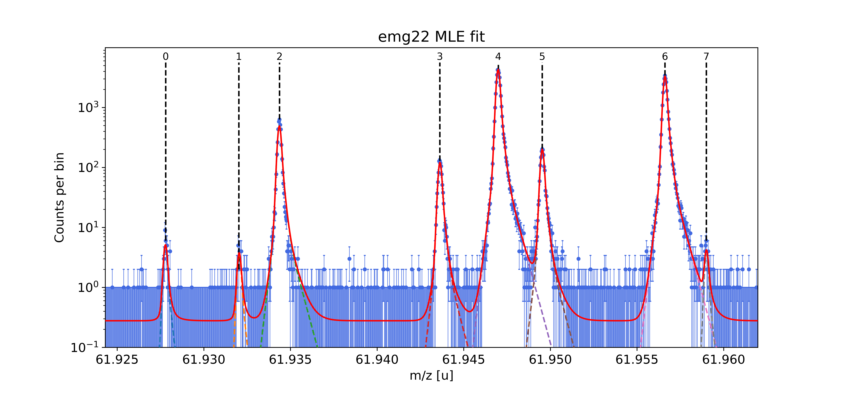
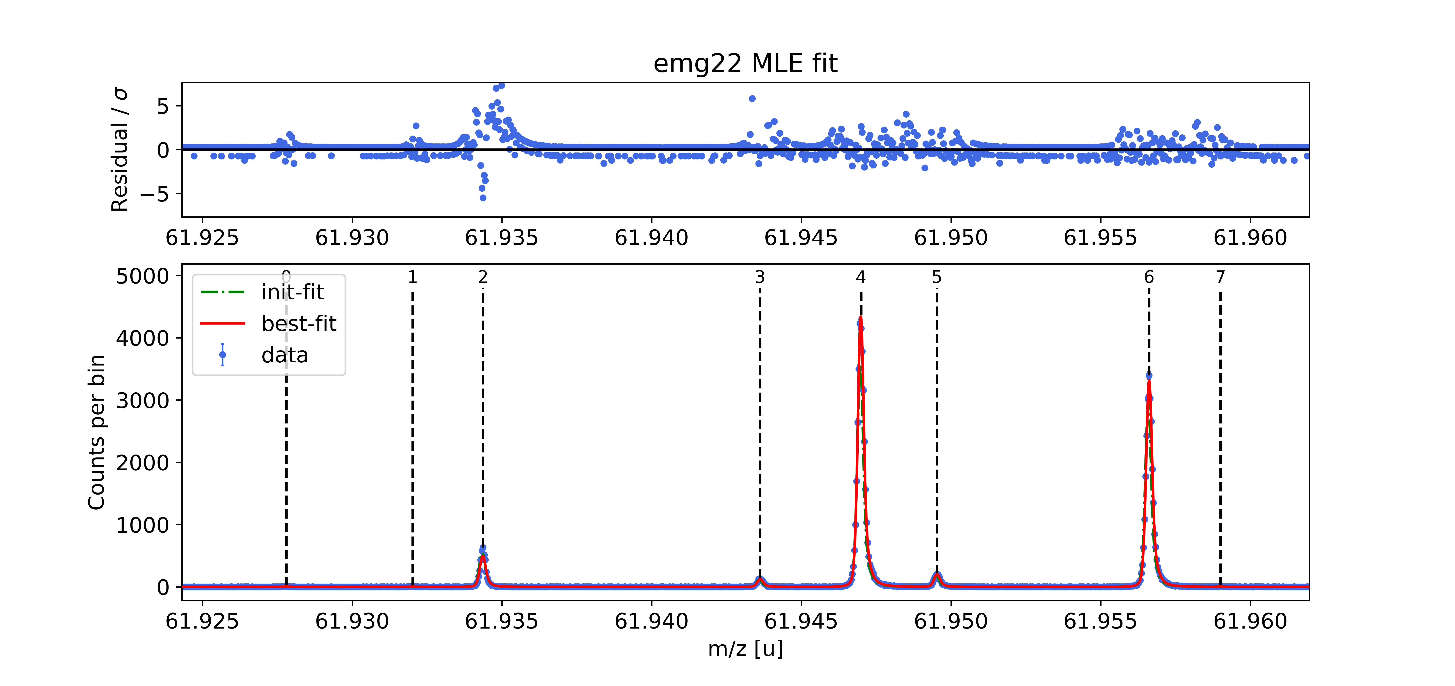
Peak index | x_pos | species | comment | m_AME | m_AME_error | extrapolated | fit_model | cost_func | red_chi | area | area_error | m_ion | rel_stat_error | rel_recal_error | rel_peakshape_error | rel_mass_error | A | atomic_ME_keV | mass_error_keV | m_dev_keV
0 | 61.92780031 | Ni62:-1e | - | 61.927796291 | 0.00000047 | FALSE | emg22 | MLE | 1.21 | 38.34 | 6.9509202664 | 61.92779563 | 3.4815188033E-07 | 1.158310222E-08 | 9.3391921981E-09 | 3.4846968382E-07 | 62 | -66746.946 | 20.101604877 | -0.616
1 | 61.932020531 | Cu62:-1e? | - |  |  | FALSE | emg22 | MLE | 1.21 | 27.65 | 5.9895583664 | 61.932050531 | 2.8400604028E-07 | 1.158310222E-08 | 9.3582694481E-09 | 2.8439616098E-07 |  |  | 16.406626774
2 | 61.934369238 | ? | Non-isobaric |  |  | FALSE | emg22 | MLE | 1.21 | 3870.51 | 64.260161534 | 61.934369401 | 3.4047733421E-08 | 1.158310222E-08 | 3.7564085926E-09 | 3.6159742997E-08 |  |  | 2.0861098071
3 | 61.943617704 | Ga62:-1e | - | 61.943641177 | 0.000000694 | FALSE | emg22 | MLE | 1.21 | 953.66 | 33.44961405 | 61.943635678 | 6.6176825322E-08 | 1.158310222E-08 | 1.7819928442E-09 | 6.7206517282E-08 | 62 | -51992.035 | 3.8778248725 | -5.122
4 | 61.9469943 | Ti46:O16:-1e | mass calibrant | 61.946992896 | 1.760000821E-07 | FALSE | emg22 | MLE | 1.21 | 33993.44 | 143.2145727 | 61.946992896 | 1.12292521E-08 | 1.158310222E-08 |  |  | 62 | -48864.806 |  | 0
5 | 61.949526808 | Sc46:O16:-1e | - | 61.949533525 | 7.3200001974E-07 | FALSE | emg22 | MLE | 1.21 | 1572.09 | 39.25171554 | 61.949539796 | 5.1001630669E-08 | 1.158310222E-08 | 5.0078578745E-09 | 5.2539634833E-08 | 62 | -46492.384 | 3.0318327788 | 5.841
6 | 61.956610763 | Ca43:F19:-1e | shape calibrant | 61.956621013 | 2.4400177233E-07 | FALSE | emg22 | MLE | 1.21 | 25957.02 | 127.10325779 | 61.956621675 | 1.1913620631E-08 | 1.158310222E-08 | 8.6507649307E-10 | 1.663883923E-08 | 62 | -39895.655 | 0.96026447824 | 0.617
7 | 61.958996643 | ? | - |  |  | FALSE | emg22 | MLE | 1.21 | 27.79 | 7.7277908555 | 61.959016562 | 4.1596953373E-07 | 1.158310222E-08 | 6.2543944083E-08 | 4.2080466512E-07 |  |  | 24.28651339
 |  |  |  |  |  |  |  |  |  |  |  | Stat. errors from resampling |  |  | Monte Carlo peak-shape errors

